亏损统计
-120 | 120
-140 | 140 | 亏损区间
-150 | 150 | 100-500 | 37
-160 | 160 | 501-1000 | 24
-170 | 170 | 1001-1500 | 16
-200 | 200 | 1501-2000 | 0
-230 | 230 | 2001-2500 | 1
-230 | 230
-240 | 240
-250 | 250
-280 | 280
-290 | 290
-290 | 290
-290 | 290
-300 | 300
-300 | 300
-310 | 310
-330 | 330
-340 | 340
-340 | 340
-350 | 350
-350 | 350
-360 | 360
-380 | 380
-390 | 390
-390 | 390
-410 | 410
-420 | 420
-420 | 420
-430 | 430
-430 | 430
-430 | 430
-440 | 440
-460 | 460
-470 | 470
-480 | 480
-500 | 500
-550 | 550
-560 | 560
-570 | 570
-580 | 580
-590 | 590
-590 | 590
-600 | 600
-600 | 600
-610 | 610
-620 | 620
-650 | 650
-660 | 660
-700 | 700
-790 | 790
-790 | 790
-820 | 820
-830 | 830
-850 | 850
-900 | 900
-910 | 910
-940 | 940
-970 | 970
-990 | 990
-990 | 990
-1010 | 1010
-1050 | 1050
-1090 | 1090
-1120 | 1120
-1130 | 1130
-1140 | 1140
-1170 | 1170
-1170 | 1170
-1180 | 1180
-1190 | 1190
-1240 | 1240
-1430 | 1430
-1460 | 1460
-1460 | 1460
-1490 | 1490
-1500 | 1500
-2070 | 2070

资金管理
RB9999 波幅率交易系统资金管理（交易日1234）
账户资金 | 30,000.00 | 初始资金
风险系数 | 13.50 | 每一笔交易可以接受的最大亏损金额
最大预估亏损金额 | 958.00 | 交易策略每一手交易可以接受的最大亏损金额
最大预估亏损金额放大系数 | 1.10 | 下一笔交易可能比会超出之前最大亏损金额的系数
每笔平均盈利 | 849.00 | 每笔平均盈利=总盈利32260÷交易次数38
每笔平均亏损 | 958.00 | 每笔平均亏损=总亏损7670÷交易次数8
可以买入的数量 | 2.01 | （账户余额×风险比率）/最大预估亏损金额*系数=参与交易的合约数量
RB9999 波幅率交易系统资金管理(连续最大预估亏损额)
连续亏损次数 | 账户资金 | 可以买入的数量
1 | 25,950.00 | 1
2 | 23,938.20 | 1
3 | 21,926.40 | 1
4 | 19,914.60 | 1
5 | 17,902.80 | 1
6 | 15,891.00 | 1
7 | 13,879.20 | 0
8 | 13,879.20 | 0
9 | 13,879.20 | 0
10 | 13,879.20 | 0
11 | 13,879.20 | 0
RB9999 波幅率交易系统资金管理 (亏损金额=最大预估亏损金额，系统策略=80%，每笔平均盈利=849）
交易次数 | 账户资金 | 可以买入的数量
1 | 31,709.14 | 2
2 | 33,407.14 | 2
3 | 35,105.14 | 2
4 | 36,803.14 | 2
5 | 38,501.14 | 2
6 | 40,199.14 | 2
7 | 41,897.14 | 2
8 | 43,595.14 | 2
9 | 39,571.54 | 2
10 | 35,547.94 | 2
11 | 37,245.94 | 2
12 | 38,943.94 | 2
13 | 40,641.94 | 2
14 | 42,339.94 | 2
15 | 44,037.94 | 2
16 | 45,735.94 | 3
17 | 48,282.94 | 3
18 | 50,829.94 | 3
19 | 44,794.54 | 3
20 | 38,759.14 | 2
21 | 40,457.14 | 2
22 | 42,155.14 | 2
23 | 43,853.14 | 2
24 | 45,551.14 | 3
25 | 48,098.14 | 3
26 | 50,645.14 | 3
27 | 53,192.14 | 3
28 | 55,739.14 | 3
29 | 49,703.74 | 3
30 | 43,668.34 | 2
31 | 45,366.34 | 3
32 | 47,913.34 | 3
33 | 50,460.34 | 3
34 | 53,007.34 | 3
35 | 55,554.34 | 3
36 | 58,101.34 | 3
37 | 60,648.34 | 4
38 | 64,044.34 | 4
39 | 55,997.14 | 3
40 | 49,961.74 | 3
41 | 52,508.74 | 3
42 | 55,055.74 | 3
43 | 57,602.74 | 3
44 | 60,149.74 | 4
45 | 63,545.74 | 4
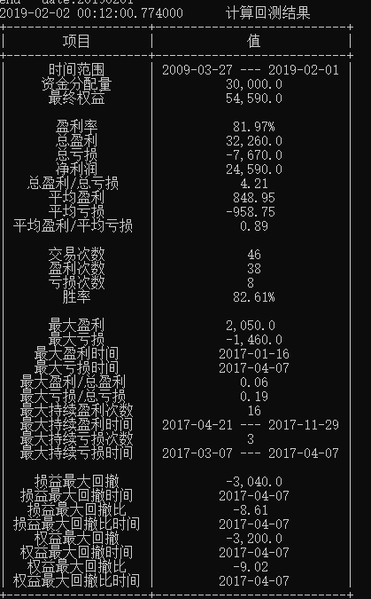
46 | 66,941.74 | 4
RB9999 波幅率交易系统资金管理 (亏损金额=958，系统策略=80%，每笔平均盈利=849）
交易次数 | 账户资金 | 可以买入的数量
1 | 31,709.14 | 2
2 | 33,407.14 | 2
3 | 35,105.14 | 2
4 | 36,803.14 | 2
5 | 38,501.14 | 2
6 | 40,199.14 | 2
7 | 41,897.14 | 2
8 | 43,595.14 | 2
9 | 41,679.14 | 2
10 | 39,763.14 | 2
11 | 41,461.14 | 2
12 | 43,159.14 | 2
13 | 44,857.14 | 3
14 | 47,404.14 | 3
15 | 49,951.14 | 3
16 | 52,498.14 | 3
17 | 55,045.14 | 3
18 | 57,592.14 | 3
19 | 54,718.14 | 3
20 | 51,844.14 | 3
21 | 54,391.14 | 3
22 | 56,938.14 | 3
23 | 59,485.14 | 3
24 | 62,032.14 | 4
25 | 65,428.14 | 4
26 | 68,824.14 | 4
27 | 72,220.14 | 4
28 | 75,616.14 | 5
29 | 70,826.14 | 4
30 | 66,994.14 | 4
31 | 70,390.14 | 4
32 | 73,786.14 | 4
33 | 77,182.14 | 5
34 | 81,427.14 | 5
35 | 85,672.14 | 5
36 | 89,917.14 | 6
37 | 95,011.14 | 6
38 | 100,105.14 | 6
39 | 94,357.14 | 6
40 | 88,609.14 | 5
41 | 92,854.14 | 6
42 | 97,948.14 | 6
43 | 103,042.14 | 6
44 | 108,136.14 | 7
45 | 114,079.14 | 7
46 | 120,022.14 | 8
RB9999 波幅率交易系统资金管理（实际交易）
交易次数 / 卖平交易时间 | 账户资金 | 可以买入的数量
2019-01-04 | 31,167.61 | 2
2019-01-14 | 32,487.61 | 2
2019-01-18 | 34,467.61 | 2
2019-02-22 | 35,907.61 | 2
2019-03-01 | 37,287.61 | 2
2019-03-15 | 36,047.61 | 2
2019-03-25 | 34,747.61 | 2
2019-04-11 | 35,887.61 | 2
2019-05-20 | 36,947.61 | 2
2019-05-23 | 36,047.61 | 2
2019-06-14 | 34,587.61 | 2
2019-06-20 | 36,347.61 | 2
2019-06-25 | 38,067.61 | 2
2019-07-12 | 36,747.61 | 2
2019-07-22 | 35,087.61 | 2
2019-07-29 | 33,707.61 | 2
2019-08-05 | 31,087.61 | 2

